E54_hpwh
4
5
Nestle Cagayan de Oro Factory | Replacement of Vibrator Assembly |  |  |  |  |  |  |  | CDOF-CP-F-XX-XXX
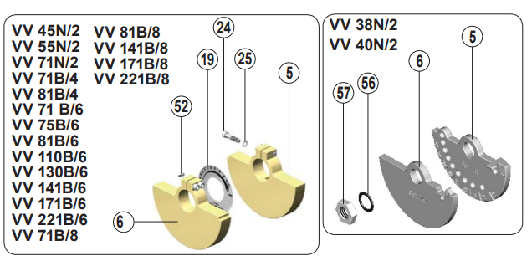 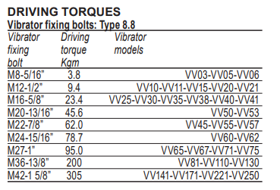 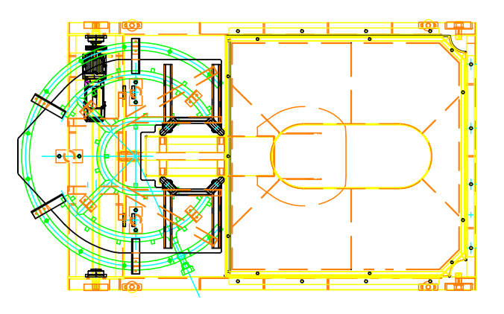 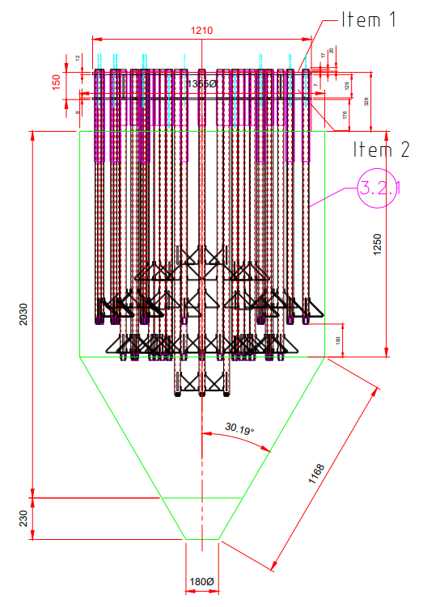

2

1
6

3

Requirement | 1 | 2 | 3 | 4 | 5 | 6 | 7 | 8 | 9 | REMARKS
Check existing vs new vibrator assembly critical dimension (height and width) to make sure it's the same with the existing assembly.
Correct specification of bolt & nut (nylon insert lock nuts) is use for the connection of vibrator assembly.
Correct setting of vibrator motor weight plates %
Correct torque used for the Vibrator motor mounting bolts.

NOTES:
Performed By: |  |  | Assessed and Validated By: |  |  |  |  | Noted By:

G&R Representative |  |  | TBMC Site Engineer |  |  |  |  | NPI Project Engineer

